Problem Setting
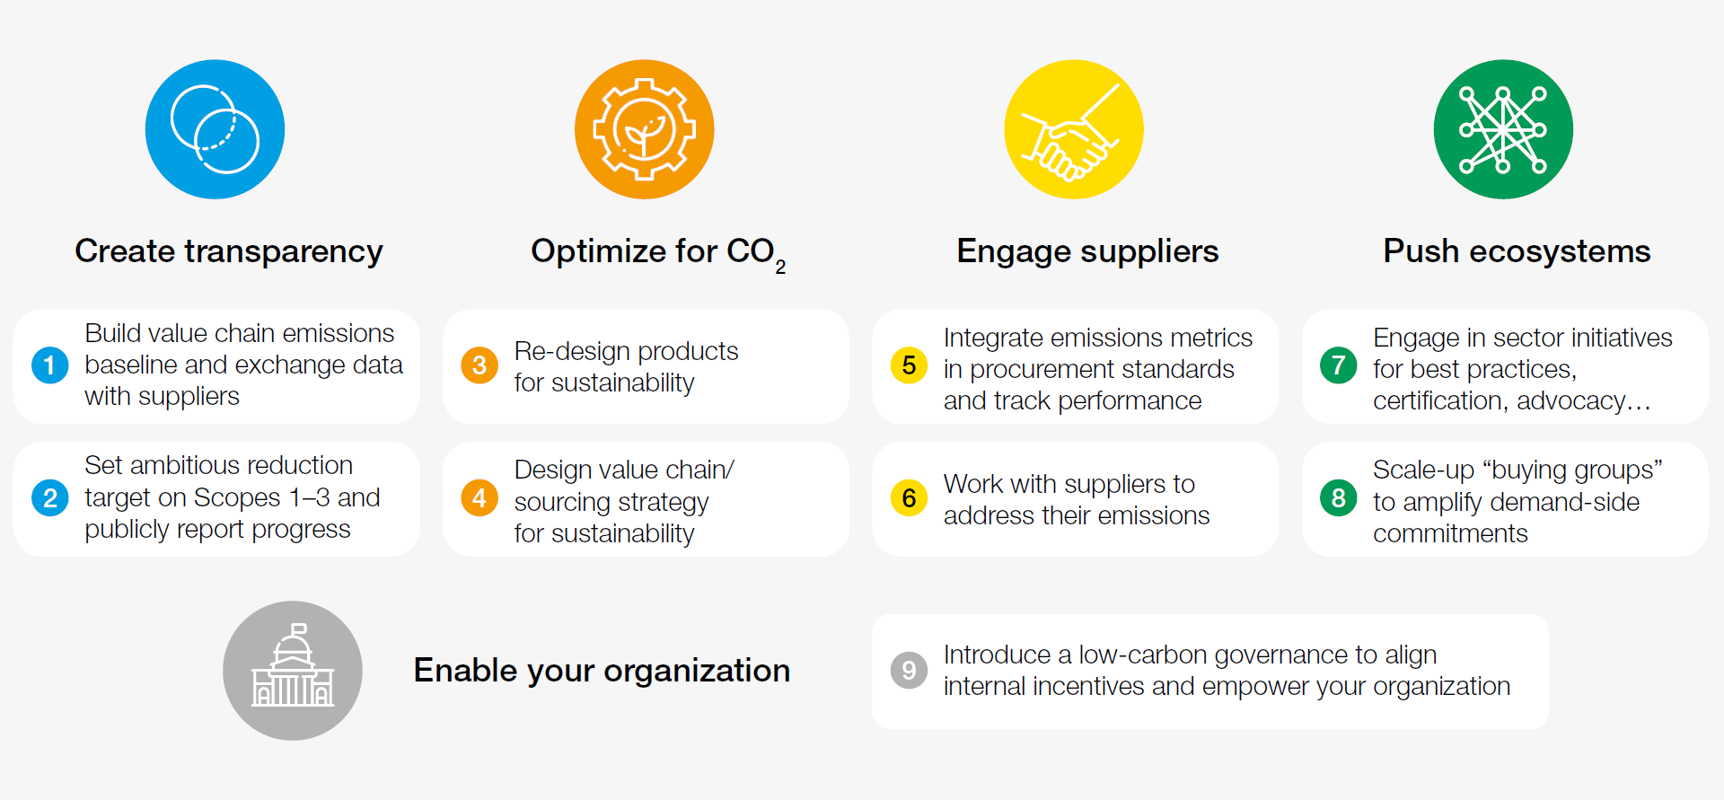
The WEF and the 2009 Decarbonization Commitment
 | The World Economic Forum has built momentum around major logistics companies to "Decarbonize" the worldwide logistics. See chart on the right.

 | A report from the WEF and BCG shows that it is possible to reduce CO2 emissions in the supply chain logistics which would help to fight against climate change. Notice that the top eight global supply chains account for more than 50% of global greenhouse gas emissions. (Gregoire, 2021).

 | The same report from Gregoire, points out that in order to cut on CO2 emissions there is an added cost. The end-consumers would see their logistics costs being increased by 1 to 4%. While this does not sound burdensome, this is the constant struggle of suppliers and vendors. Should they engage in greener practices knowingly that this will increase their cost? Would their prices become less attractive if the competitors don't follow suit?

 | In a meeting in 2009 at the WEF in Davos, major logistics stakeholders agreed to "switch [transport] modes wherever possible" (WEF, 2009). But often greener transportation methods are slower, or less available -for example railroad might not be available in all cities of a country. Therefore switching to greener methods, may bring the speed and reliability of the supply network down. Nonetheless a prominent TV Screen manufacturer has decided to embark in the task of optimizing its supply chain taking into account this new objective: reduce its carbon footprint.

 |  | Source: Gregoire, 2021

The OLED New Line
 | The company in question produces various electronics, and will soon be launching a new line of OLED screens. If the total costs of production and shipments were to increase behind trying a greener supply chain configuration, the company thinks that the large margins on this new technology could be absorbed without passing on the added cost to the final consumer. In fact, the marketing team thinks they could run a green campaign advertising the improvement on CO2 emissions.

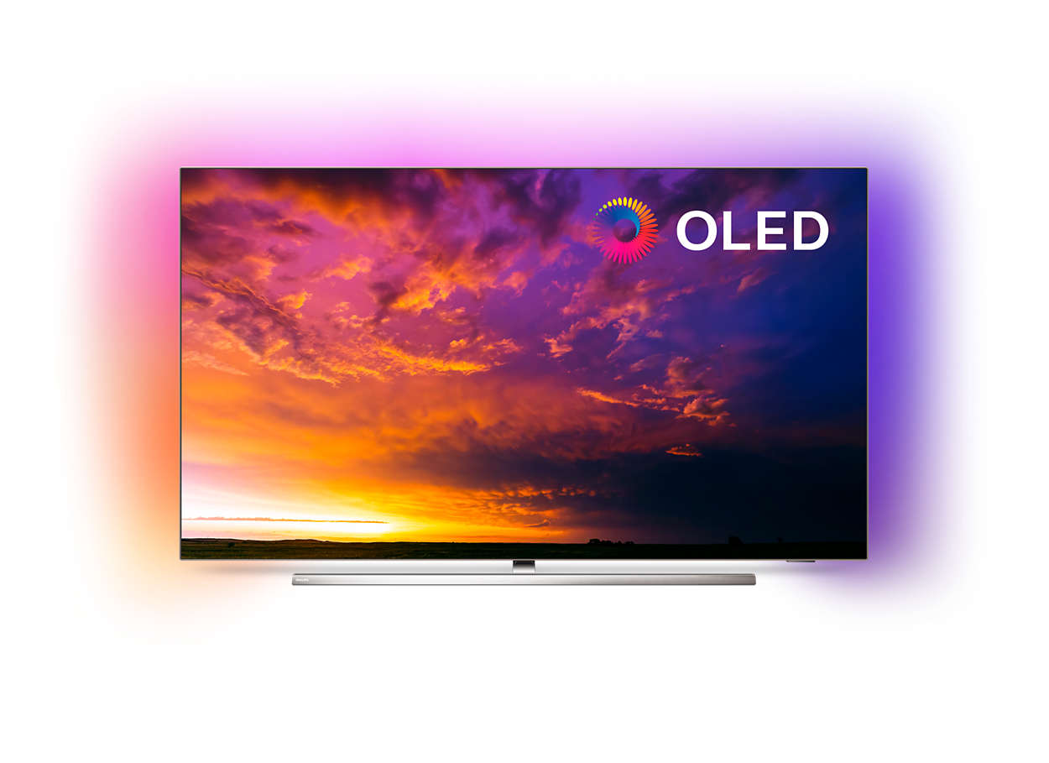

 | There will be two sizes in the new line: OLED 65'' and OLED 77''. The production of these two devices will be subcontracted to various original equipment manufacturers (OEMs). All of them located in China and Taiwan. The initial release of the OLED new line will be Europe and the USA. And the company will use its existing supply chain network to reach to those geographies. Including consolidating shipments with other product lines, and other manufacturers. Co-loading was another of the agreements made by this company while in the 2009 Davos meeting.

 |  | Source: Philips, n.d.
 | However, because the company is pioneering in this technology, there is little co-loading opportunities from the newly developed OEM to the closest Distribution Centre, located in Shanghai. For the financials to work, the company has allocated a budget of 3Bn RMB for the production and shipment to the DC of 920k units of OLED 77'' and 530k units of OLED 65''.

OEMs and its Negotiated Contracts
 | While the company has been working together with the OEMs to master this new technology, not all of the OEMs have been able to pass all quality controls. While other OEMs have some capacities constraints. After assessing the capabilities of each OEM and balancing for the risks, seven OEMs were awarded with final pre-agreed contracts for the productions of OLED screens. On the other hand, the OEMs won't engage in this business opportunity unless they are guaranteed a minimum order of 200k units. In other words, once the company decides to activate production for a particular OEM, the company must buy at least 200,000 units from that supplier, for each size. However, the company could decide to activate production with a specific OEM only for one of the two sizes. Notice that the OLED 65'' can only be produced at OEM #1 and OEM #2. The rest of the OEMs only produce OLED 77''. While OEMs #1 and #2 can produce both.

 |  |  | Distance to DC (km) | Production Cost (RMB/Unit)

 |  |  |  | OLED 77'' | OLED 65''
 | To mitigate risk, the internal controls departments have capped to 600k the contract value for any given OEM. i.e. each OEM will supply a maximum of 600,000 units of each screen size. | OEM #1 | 2,508 | ¥1,983.40 | ¥1,818.00
 |  | OEM #2 | 1,553 | ¥2,254.00 | ¥1,996.40
 |  | OEM #3 | 1,380 | ¥2,582.40
 |  | OEM #4 | 2,150 | ¥1,976.10
 | The OEMs are scattered around the region. Therefore the distance to the Shanghai DC is different for each of them. Typically, the closer to the DC the higher its production cost due to higher labour and real estate costs. See table on the right | OEM #5 | 30 | ¥2,711.30
 |  | OEM #6 | 690 | ¥2,704.80
 |  | OEM #7 | 686 | ¥2,125.20
 |  | Source: Ringrose & Chu, 2015
Transportation Modes and Previously Negotiated Contracts

 | Throughout the years, the company had developed a trusted network of third party transportation options. There are seven available modes of transport to the company, although not all of them reach all OEMs. Specifically, OEM #6 is located in Taiwan making Air and Water the only feasible mode to reach the Shanghai DC. On the other hand, OEM #5 is located in the industrial area of Shanghai; hence, transportation to the DC can be done only through regular Road trucks. The cost of shipping is a function of the kilometres being travelled and the mean of travel. With Air being the most expensive mode of transportation - yet the fastest, and Water being the cheapest. See the matrix on the right displaying the different methods available to the company and the costs for each OEM. Notice that the prices with the transportation companies have been quoted in metric tons. This means that you pay depending on the weight of your shipment. In calculating your shipping costs per unit, assume that the OLED 77'' weights 22 kgs per unit, and the OLED 65'' weighs 16.5 kgs.

 |  |  | Shipping cost (RMB per Metric Ton)
 |  |  | Regular Air | Air Express | Road | Road LTL | Road-Network | Rail | Water

 |  | OEM #1 | ¥64,400.00 | ¥70,840.00 | ¥6,182.40 | ¥5,216.40 | ¥4,830.00 | ¥4,250.40 | ¥3,091.20
 |  | OEM #2 | ¥115,920.00 | ¥127,512.00 | ¥7,084.00 | ¥5,796.00 | ¥5,667.20 | ¥5,796.00 | ¥2,704.80
 |  | OEM #3 | ¥103,040.00 | ¥113,344.00 | ¥7,084.00 | ¥5,796.00 | ¥5,667.20 | ¥5,796.00 | ¥3,284.40
 |  | OEM #4 | ¥64,400.00 | ¥70,840.00 | ¥6,182.40 | ¥5,280.80 | ¥5,216.40 | ¥4,250.40 | ¥3,091.20
 |  | OEM #5 | N/A | N/A | ¥9,660.00 | ¥9,016.00 | ¥8,694.00 | N/A | N/A
 |  | OEM #6 | ¥135,240.00 | ¥148,120.00 | N/A | N/A | N/A | N/A | ¥3,413.20
 |  | OEM #7 | ¥103,040.00 | ¥112,700.00 | ¥7,084.00 | ¥5,796.00 | ¥5,538.40 | ¥5,860.40 | ¥2,769.20
 |  | Source: Ringrose & Chu, 2015

 | In order to secure better prices, the purchases department had to guarantee a minimum number of shipments going through Road (either of the three options) as well as Rail. The table on the right displays the minimum order of shipped units for each method.

 |  |  | Shipping Minimums (units)
 |  |  | Road or Road LTL or Road-Network | Rail

The Need to Fly Product on time for the Marketing Launch Day
 | During a competitive intelligence exercise, it was discovered that the number one rival to this company was about to launch an OLED line. While the greener transportations methods will result in lower CO2 emissions, these methods will also take the longest to arrive to the Shanghai DC. If there is not enough product at the DC ready to be shipped to the key markets, the competition will get their OLED to the shelfs (brick and mortar and online) first. | OLED 77'' | 92,000 | 138,000
 |  | OLED 65'' | 79,500 | 79,500
 |  | Source: Ringrose & Chu, 2015

 | After careful calculations of lead times, it has been determined that once production begins the company will have to send through Air (either Regular or Express) 46K units of OLED 77'' and 53K units of OLED 65''. This will guarantee that there is sufficient product available when the marketing team hosts their PR Launch Event in the major metropolitan areas.

CO2 Emissions: Commercial and Tax Opportunities
 | On top of being the right thing to do, the company also expected that the government of China would soon release legislation given a tax incentive for companies to reduce their CO2 emissions. Additionally, the marketing team was considering running a social media campaign advertising the increased efforts for this new OLED brand to be environmentally conscious (due to a lower CO2 footprint). An increase in sales was expected behind this marketing initiative. Therefore, the company had allocated an additional 10% fund to improve further the sustainability of this specific supply chain. The big question the social media manager had -to brag about it in all its posts- was: how much lower would the CO2 emissions be with this additional budget?
 |  |  |  | Carbon Emission in Kg per Ton per KM
 |  |  |  | Regular Air | Air Express | Road | Road LTL | Road-Network | Rail | Water

 |  |  |  | 1.44 | 1.44 | 0.0613 | 0.0613 | 0.0613 | 0.0285 | 0.007

Sources:

 | Gregoire, E. (January 21st, 2021). Supply Chain Decarbonization Offers a Game-Changing Opportunity for Companies to Fight Climate Change. BCG Press Release. Available at: https://www.bcg.com/en-mx/press/21january2021-supply-chain-decarbonization-offers-a-game-changing-opportunity-to-fight-climate-change

 | Ringrose, D. & Chu, S. (2015). Supply Chain. National University of Singapore. [Case and assumptions adapted from]

 | Philips. (n.d.). Android TV OLED 4k UHD. Retrieved on January 7th 2021, available from: https://www.philips.es/c-p/65OLED854_12/oled-8-series-android-tv-oled-4k-uhd-con-ambilight-en-3-lados

 | WEF. (2009). Supply Chain Decarbonization - The Role of Logistics and Transport in Reducing Supply Chain Carbon Emissions. World Economic Forum. Geneva, Switzerland. Page 29. Report available at: http://www3.weforum.org/docs/WEF_LT_SupplyChainDecarbonization_Report_2009.pdf

Minimised Emissions per Cost
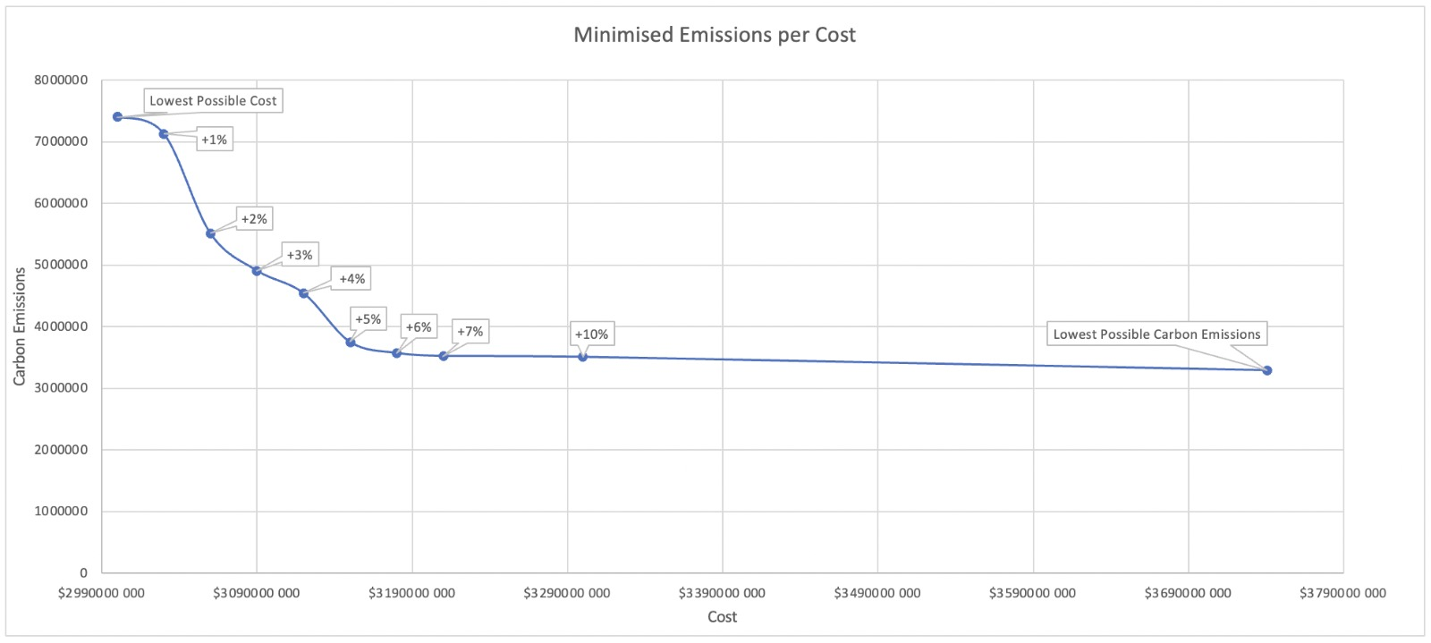
Minimised Emissions per Cost

 | cost | $2,999,985,597 | $3,000,000,000 | $3,030,000,000 | $3,060,000,000 | $3,090,000,000 | $3,120,000,000 | $3,150,000,000 | $3,180,000,000 | $3,210,000,000 | $3,300,000,000 | 3740651879
 | emisions | 7401973 | 7401248 | 7128408 | 5513052 | 4907392 | 4542376 | 3751423 | 3572637 | 3525011 | 3509724 | 3293331.1449
 |  |  | 0% | 1%% | 2%% | 3% | 4% | 5% | 6% | 7% | 10%

 | Budget Increase | Cumulative Reduction in Carbon Emissions | Marginal Reduction in Carbon Emissions

 | 2% | 26% | 26%
 | 3% | 34% | 8%
 | 4% | 39% | 5%
 | 5% | 49% | 11%

